Sheet1
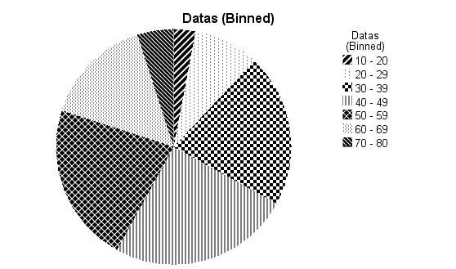
Problem
a. | Construct appropriate frequency distribution from the following data
b. | Present given data using bar diagram, pie chart

14 | 39 | 45 | 52 | 61 | 30 | 40 | 66 | 59 | 38
35 | 44 | 52 | 61 | 74 | 40 | 55 | 69 | 38 | 38
44 | 52 | 60 | 73 | 30 | 47 | 56 | 37 | 41 | 42
51 | 59 | 73 | 47 | 40 | 65 | 48 | 40 | 50 | 50
59 | 72 | 28 | 54 | 46 | 33 | 56 | 49 | 57 | 58
17 | 54 | 54 | 63 | 30 | 40 | 66 | 56 | 68 | 70
28 | 62 | 62 | 28 | 40 | 47 | 33 | 67 | 41 | 43
29 | 40 | 25 | 39 | 47 | 55 | 40 | 37 | 50 | 68
46 | 23 | 39 | 46 | 55 | 65 | 48 | 41 | 50 | 42
20 | 39 | 45 | 52 | 64 | 33 | 56 | 50 | 58 | 71

Working expressions:

Number of classes = k = 1+3.322*log10(n) whre n = number of observation
Width of class = h = (Range/k)
Range(R) = Maximum value - Minimum value = L - S

SPSS Syntax

* Visual Binning.
*Datas.
RECODE Datas (MISSING=COPY) (LO THRU 20=1) (LO THRU 30=2) (LO THRU 40=3) (LO THRU 50=4) (LO THRU
60=5) (LO THRU 70=6) (LO THRU 80=7) (LO THRU HI=8) (ELSE=SYSMIS) INTO Binned_Data.
VARIABLE LABELS Binned_Data 'Datas (Binned)'.
FORMATS Binned_Data (F5.0).
VALUE LABELS Binned_Data 1 '10 - 20' 2 '20 - 29' 3 '30 - 39' 4 '40 - 49' 5 '50 - 59' 6 '60 - 69' 7
'70 - 80' 8 '80+'.
VARIABLE LEVEL Binned_Data (ORDINAL).
EXECUTE.

FREQUENCIES VARIABLES=Binned_Data
/BARCHART FREQ
/ORDER=ANALYSIS.

FREQUENCIES VARIABLES=Binned_Data
/FORMAT=NOTABLE
/PIECHART FREQ
/ORDER=ANALYSIS.

SPSS Output
a)
 | Datas (Binned)
 |  |  | Frequency | Percent | Valid Percent | Cumulative Percent
 | Valid | 10 - 20 | 3 | 3.0 | 3.0 | 3.0
 |  | 20 - 29 | 9 | 9.0 | 9.0 | 12.0
 |  | 30 - 39 | 21 | 21.0 | 21.0 | 33.0
 |  | 40 - 49 | 25 | 25.0 | 25.0 | 58.0
 |  | 50 - 59 | 22 | 22.0 | 22.0 | 80.0
 |  | 60 - 69 | 15 | 15.0 | 15.0 | 95.0
 |  | 70 - 80 | 5 | 5.0 | 5.0 | 100.0
 |  | Total | 100 | 100.0 | 100.0

Datas (Binned)
10 - 20 | 3
20 - 29 | 9
30 - 39 | 21
40 - 49 | 25
50 - 59 | 22
60 - 69 | 15
70 - 80 | 5
b)
i)

ii)

